Completed Example
CO -LOGO
 | SUPPLIER PACKAGING SPECIFICATION |  |  |  |  |  | Fill Ratio | QS9000 DOCUMENT TNPC90.001.2 |  | DATE SUBMITTED: |  | 2014-06-12
 |  |  |  |  |  |  | A31 |  |  | REVISION: |  | 1
PART INFORMATION |  |  |  |  | SUPPLIER INFORMATION |  |  |  | SPECIFICATION DATA
DENSO PART NUMBER: |  | AA123456-7890 |  |  | SUPPLIER PART NUMBER: |  | SPN-12345-A |  | DENSO DIVISION SHIPPED TO: |  |  | DMTN Starter / Alternator
PART DESCRIPTION: |  | Automotive Widget |  |  | SUPPLIER NAME: |  | Auto Parts USA |  | PROPOSAL STATUS: |  |  | Final
(ORDERING) UNIT OF MEASURE: |  | EA |  |  | DENSO SUPPLIER CODE: |  | XY1 |  | COMPLETED BY: |  |  | J. Doe
DIGITAL PHOTOS
INTERNAL DUNNAGE & PART |  |  |  |  | CONTAINER / RACK (show label location) |  |  |  |  | TYPICAL PALLET LOAD (AS SHIPPED)
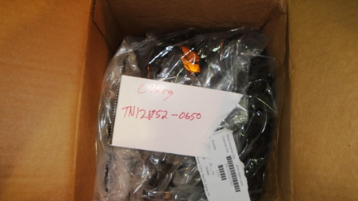 |  |  |  |  | 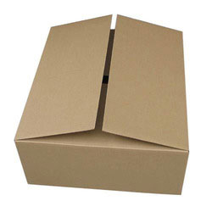 |  |  |  |  | 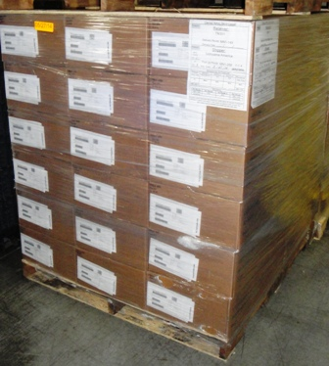

DUNNAGE DESCRIPTION: | Poly Bag 18 x 18, 2mil |  |  |  | CONTAINER STYLE: | RSC |  |  |  | PALLET STYLE: |  | Wood, 4 way entry
DUNNAGE MATERIALS: | PE |  |  |  | CONTAINER MATERIALS: | C275 |  |  |  | PALLET MATERIALS: |  | Hardwood & Wrap
 |  |  |  |  |  |  | PACKAGING DATA
PACKAGING TYPE | Expendable |  |  |  |  |  |  |  |  | UNITIZATION METHOD: |  |  | Stretchwrap
DIMENSION INFORMATION (in.) |  |  |  |  | WEIGHT INFORMATION (lbs.) (assume a full pallet regardless of typical order size) |  |  | QUANTITY INFORMATION (assume a full pallet regardless of typical order size) |  |  | Packaging Costs
[OUTSIDE DIMENSIONS] | LENGTH |  | WIDTH | DEPTH |  |  |  |  |  |  | Item |  | Qty/Plt | Cost
PART SIZE | 1 |  | 1 | 0.12 | PART WEIGHT |  | 0.01 | PARTS/CONTAINER |  | 1000 | Box |  | 36 | $1.26
CONTAINER / RACK | 24 |  | 15 | 7 | CONT. w/ DUNNAGE (EMPTY) |  | 1.7 | CONTAINERS/LAYER |  | 6 | Dunange |  | 36 | $0.09
 |  |  |  |  | CONTAINER WEIGHT (FULL) |  | 11.7 |  |  |  | Pallet |  | 1 | $9.34
PALLET BASE / CAP | 48 |  | 45 | 4.5 | PALLET BASE |  | 28 | LAYERS/PALLET |  | 6 | Wrap/Banding |  | 1 | $1.50
 |  |  |  |  | PALLET CAP |  | 5 |  |  |  | Other 1 |  | 1 | $-
PALLET LOAD (AS SHIPPED) | 48 |  | 45 | 46.5 | PALLET LOAD (AS SHIPPED) |  | 454 | CONTAINERS/PALLET |  | 36 | Other 2 |  | 1 | $-
 |  |  |  |  |  |  |  | PARTS/PALLET |  | 36000 | Cost/Pcs |  | $0.0017
Yellow Areas to be completed by DENSO |  |  |  |  |  |  |  |  | DENSO APPROVALS:
DIVISION SPECIFIC COMMENTS: |  |  |  |  |  |  |  |  | Enter department name on top line and approval signature on bottom section.

PACKAGING CODE: |  |  | ORDER LOT: | 1000 | STACK HEIGHT: | 2 |  | EFFECTIVE: |  | AIAG INFORMATION:
 |  |  |  |  |  |  |  |  |  |  |  |  |  | Revision 4: 12/2014

Blank Spec
CO -LOGO
 | SUPPLIER PACKAGING SPECIFICATION |  |  |  | Fill Ratio | QS9000 DOCUMENT TNPC90.001.2 |  | DATE SUBMITTED:
 |  |  |  |  | A31 |  |  | REVISION:
PART INFORMATION |  |  |  | SUPPLIER INFORMATION |  |  | SPECIFICATION DATA
DENSO PART NUMBER: |  |  |  | SUPPLIER PART NUMBER: |  |  | DENSO DIVISION SHIPPED TO:
PART DESCRIPTION: |  |  |  | SUPPLIER NAME: |  |  | PROPOSAL STATUS:
(ORDERING) UNIT OF MEASURE: |  |  |  | DENSO SUPPLIER CODE: |  |  | COMPLETED BY:
DIGITAL PHOTOS
INTERNAL DUNNAGE & PART |  |  |  | CONTAINER / RACK (show label location) |  |  |  | TYPICAL PALLET LOAD (AS SHIPPED)

DUNNAGE DESCRIPTION: |  |  |  | CONTAINER STYLE: |  |  |  | PALLET STYLE:
DUNNAGE MATERIALS: |  |  |  | CONTAINER MATERIALS: |  |  |  | PALLET MATERIALS:
 |  |  |  |  | PACKAGING DATA
PACKAGING TYPE | Expendable |  |  |  |  |  |  | UNITIZATION METHOD: |  | Stretchwrap
DIMENSION INFORMATION (in.) |  |  |  | WEIGHT INFORMATION (lbs.) (assume a full pallet regardless of typical order size) |  | QUANTITY INFORMATION (assume a full pallet regardless of typical order size) |  |  | Packaging Costs
[OUTSIDE DIMENSIONS] | LENGTH | WIDTH | DEPTH |  |  |  |  |  | Item | Qty/Plt | Cost
PART SIZE |  |  |  | PART WEIGHT |  | PARTS/CONTAINER |  |  | Box | 0
CONTAINER / RACK |  |  |  | CONT. w/ DUNNAGE (EMPTY) |  | CONTAINERS/LAYER |  |  | Dunange | 0
 |  |  |  | CONTAINER WEIGHT (FULL) | 0 |  |  |  | Pallet | 1
PALLET BASE / CAP |  |  |  | PALLET BASE |  | LAYERS/PALLET |  |  | Wrap/Banding | 1
 |  |  |  | PALLET CAP |  |  |  |  | Other 1 | 0 | $-
PALLET LOAD (AS SHIPPED) |  |  |  | PALLET LOAD (AS SHIPPED) | 0 | CONTAINERS/PALLET |  | 0 | Other 2 | 0 | $-
 |  |  |  |  |  | PARTS/PALLET |  | 0 | Cost/Pcs | #DIV/0!
Yellow Areas to be completed by DENSO |  |  |  |  |  |  | DENSO APPROVALS:
DIVISION SPECIFIC COMMENTS: |  |  |  |  |  |  | Enter department name on top line and approval signature on bottom section.

PACKAGING CODE: |  | ORDER LOT: |  | STACK HEIGHT: |  | EFFECTIVE: |  | AIAG INFORMATION:
 |  |  |  |  |  |  |  |  |  |  | Revision 4: 12/2014

